3.4.2024
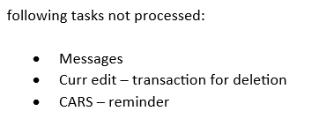
 | nr of items: | nr of ERRORs: | error description | screen errors
processing pmnts from EDIT in PTS CURR: | 119 | 21
transaction from EDIT | 109 | 19 | wrong with rep. chrgs, wrong CORT pmnt with chrgs OUR, 10x wrong processing routing CZK, wrong processing cover/wrong bnf acc. nr./, 5x must be processed from our side, pmnt for deletion was not processed
Treasury | 7
MESSAGES | 3 | 2 | 2x not processed /must be processed from our side/
return payment

manual entry of pmnt orders in PTS CURR: | 12 | 2
Internal booking | 5
Transaction Input | 2 | 2 | 2x wrong priority
input New MT202
CHARGES booking | 5

processing pmnts from EDIT (MODIFY) in PTS BULK: | 83 | 5
Modify-Transactions BBP | 69
Modify-Accounting | 8 | 3 | 3x DDP not processed/must be processed from our side/
Modify-Treasury + Treasury LF | 6 | 2 | wrong currency of acc.nr, wrong processing high amount
IPA

manual entry of pmnt orders in PTS BULK: | 1 | 0
Input-Domestic CT-DP
Input- Domestic CT interb.-BBP
Input-Credit Transfer-SEPA
CHARGES booking | 1

manual entry | 13 | 2
processing from edit | 202 | 26

RATES | nr of currency:
input rates from RATE LIST (20 x 3) | 60 | 0

DISPO - cashflow | input | errors
prepare data to excel table from pdf Dateien and from PTS | YES | 6 | 6x wrong amount

MT210 | check | errors
prepare total sume of MT210 and check advised incomming payments in PTS | YES | 0

TELEMOS | check | errors
check incoming and outgoing Clearing files in PTS and TELEMOS | YES | 0

MESSAGES IN PHOENIX
NO RMA / REMINDER MT191/ MT190 to COBADEFF | 1 | 0

OPEN ITEMS | check | errors
checking lists of open items from S-BACKOFFICE/ CARS | YES | 1 | missing reminders

UNPROCESSED/OR LATE PROCESSED

5.4.2024
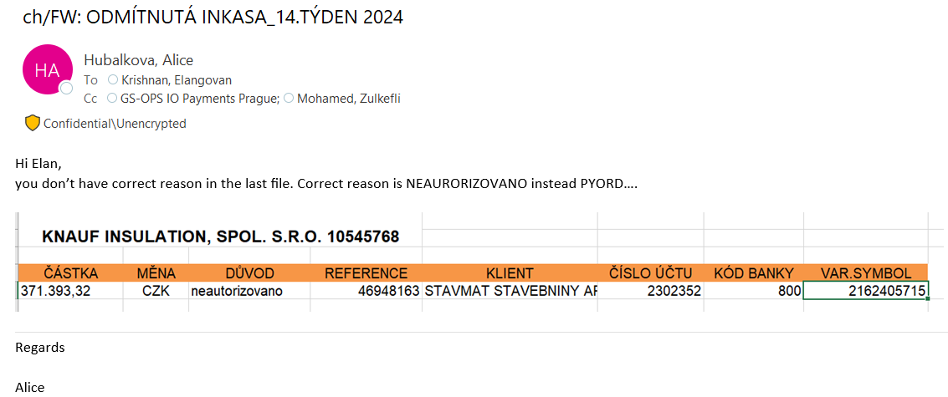
 | nr of items: | nr of ERRORs: | error description | screen errors
processing pmnts from EDIT in PTS CURR: | 15 | 5 |  | odmitnuta inkasa
transaction from EDIT | 2 | 4 | duplicate processing pmnt from yesterday, wrong with repair chrgs, wrong processing incoming pmnt with wrong bnf name, wrong rate
Treasury | 3
MESSAGES | 9
return payment | 1 | 1 | wrong subject / two different names of customers/

manual entry of pmnt orders in PTS CURR: | 15 | 11
Internal booking | 4
Transaction Input | 1 | 5 | wrong sending to fixing /conversion old value/, wrong debit value, wrong credit value, wrong rate /GL acc.- rate should be the same/, must be processed from our side/returned more times/
input New MT202
CHARGES booking | 10 | 6 | 3x wrong text in field 70, 3x missing screens

processing pmnts from EDIT (MODIFY) in PTS BULK: | 55 | 1
Modify-Transactions BBP | 46
Modify-Accounting | 7
Modify-Treasury + Treasury LF | 1
DISPO-NAK | 1 | 1 | wrong processing /pmnt was rejected from RM due blocked acc./

manual entry of pmnt orders in PTS BULK: | 6 | 0
Input-Domestic CT-DP | 1
Input- Domestic CT interb.-BBP
Input-Credit Transfer-SEPA
CHARGES booking | 5

manual entry | 21 | 11
processing from edit | 70 | 6

RATES | nr of currency:
input rates from RATE LIST (20 x 3) | 60 | 0

DISPO - cashflow | input | errors
prepare data to excel table from pdf Dateien and from PTS | YES | 0

MT210 | check | errors
prepare total sume of MT210 and check advised incomming payments in PTS | YES | 0

TELEMOS | check | errors
check incoming and outgoing Clearing files in PTS and TELEMOS | YES | 0

MESSAGES IN PHOENIX
NO RMA / REMINDER MT191/ MT190 to COBADEFF | 18 | 1 | wrong reminder MT191 /CORT PMNT/

OPEN ITEMS | check | errors
checking lists of open items from S-BACKOFFICE/ CARS | YES | 0

Odmitnuta inkasa | nr. of DDN
prepare data to excel table from PTS BULK - summary data from the whole week | 6 | 1 | wrong reason /correct should be ,, neautorizovano,, /

UNPROCESSED/OR LATE PROCESSED

8.4.2024
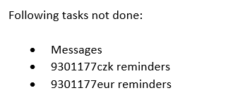
 | nr of items: | nr of ERRORs: | error description | screen errors
processing pmnts from EDIT in PTS CURR: | 121 | 3
transaction from EDIT | 115 | 3 | 3x wrong processing chrgs for BV ( wrong bnf acc. nr.)
Treasury | 4
MESSAGES | 1
return payment | 1

manual entry of pmnt orders in PTS CURR: | 11 | 10
Internal booking | 5
Transaction Input | 1 | 9 | 2x wrong field 59 (bnf name, address), 2x wrong debit value, 2x wrong credit value, wrong field chrgs 71 (input SHA state OUR), not check signatures, not check call back
input New MT202
CHARGES booking | 5 | 1 | late

processing pmnts from EDIT (MODIFY) in PTS BULK: | 69 | 1
Modify-Transactions BBP | 44
Modify-Accounting | 13 | 1 | 1x DDP not processed /must be processed from our side/
Modify-Treasury + Treasury LF | 12
IPA

manual entry of pmnt orders in PTS BULK: | 5 | 5
Input-Domestic CT-DP | 2
Input- Domestic CT interb.-BBP
Input-Credit Transfer-SEPA | 2 | 5 | 4x wrong input as MT103, wrong bnf name
CHARGES booking | 1

manual entry | 16 | 15
processing from edit | 190 | 4

RATES | nr of currency:
input rates from RATE LIST (20 x 3) | 60 | 0

DISPO - cashflow | input | errors
prepare data to excel table from pdf Dateien and from PTS | YES | 1 | wrong amount

MT210 | check | errors
prepare total sume of MT210 and check advised incomming payments in PTS | YES | 0

TELEMOS | check | errors
check incoming and outgoing Clearing files in PTS and TELEMOS | YES | 0

MESSAGES IN PHOENIX
NO RMA / REMINDER MT191/ MT190 to COBADEFF | 12 | 9 | MT191 from messages not processed, reminder CZK not processed, reminder EUR not processed, 6x late

OPEN ITEMS | check | errors
checking lists of open items from S-BACKOFFICE/ CARS | YES | 6 | wrong checking /pmnt is done - not waiting for positive balance check/, 5x wrong checking /pmnts are not in embargo/

UNPROCESSED/OR LATE PROCESSED

15.4.2024
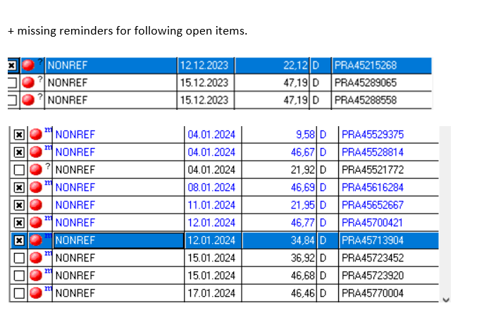
 | nr of items: | nr of ERRORs: | error description | screen errors
processing pmnts from EDIT in PTS CURR: | 119 | 11
transaction from EDIT | 112 | 10 | 2x wrong processing USD pmnt without BIC CODE BNF BANK, 2x wrong field 56, 2x wrong field 57, 3x wrong processed pmnt before cover came, change of original instruction /wrong currency of bnf acc.nr./
Treasury | 5 | 1 | wrong processing /not for special rate, amount under limit/
MESSAGES | 1
return payment | 1

manual entry of pmnt orders in PTS CURR: | 10 | 8
Internal booking | 5 | 6 | 5x wrong checking disposal, wrong send without attachments
Transaction Input | 2 | 1 | wrong checking disposal /internal transfer/
input New MT202 | 1
CHARGES booking | 2 | 1 | wrong amount

processing pmnts from EDIT (MODIFY) in PTS BULK: | 72 | 6
Modify-Transactions BBP | 48 | 3 | 2x not send information or instruction, not processed bevor COT
Modify-Accounting | 17
Modify-Treasury + Treasury LF | 6 | 2 | 2x missing marking for indication between the two same amount
DISPO-NAK | 1 | 1 | late processing

manual entry of pmnt orders in PTS BULK: | 5 | 5
Input-Domestic CT-DP | 1 | 1 | wrong not checking disposal /client pmnt/
Input- Domestic CT interb.-BBP
Input-Credit Transfer-SEPA | 3 | 3 | 3x not checking signatures
CHARGES booking | 1 | 1 | wrong amount

manual entry | 15 | 13
processing from edit | 191 | 17

RATES | nr of currency:
input rates from RATE LIST (20 x 3) | 60 | 0

DISPO - cashflow | input | errors
prepare data to excel table from pdf Dateien and from PTS | YES | 6 | 3x amount missing, 3x wrong value date

MT210 | check | errors
prepare total sume of MT210 and check advised incomming payments in PTS | YES | 0

TELEMOS | check | errors
check incoming and outgoing Clearing files in PTS and TELEMOS | YES | 0

MESSAGES IN PHOENIX
NO RMA / REMINDER MT191/ MT190 to COBADEFF | 18 | 14 | 12x late (after 17:30), 1x duplicate email, wrong amount

OPEN ITEMS | check | errors
checking lists of open items from S-BACKOFFICE/ CARS | YES | 0

UNPROCESSED/OR LATE PROCESSED

16.4.2024
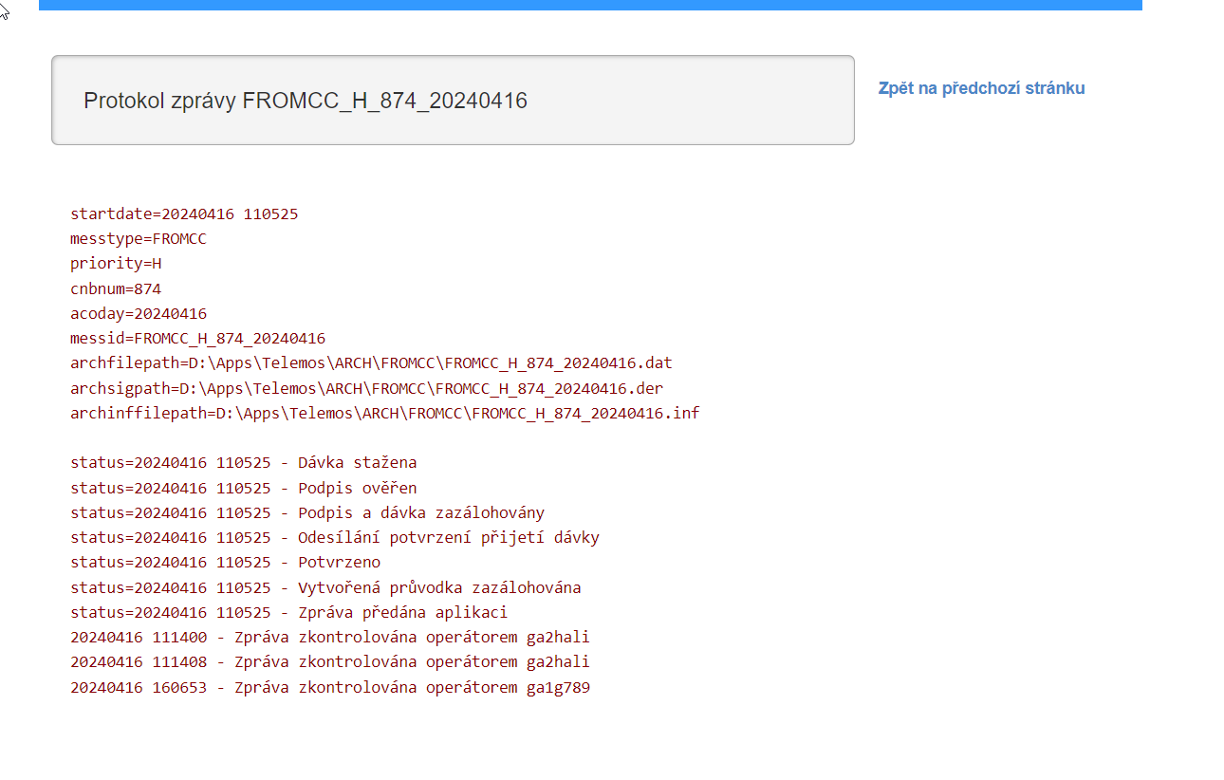
 | nr of items: | nr of ERRORs: | error description | screen errors
processing pmnts from EDIT in PTS CURR: | 116 | 11 |  | telemos not checked, and than too late checked
transaction from EDIT | 106 | 8 | 2x wrong debit value, 2x wrong with repair charges, 4x wrong processing pmnt for cancellation
Treasury | 6
MESSAGES | 2
return payment | 2 | 3 | wrong debit value date, wrong using of return code, wrong reason text

manual entry of pmnt orders in PTS CURR: | 13 | 0
Internal booking | 5
Transaction Input | 2
input New MT202
CHARGES booking | 6

processing pmnts from EDIT (MODIFY) in PTS BULK: | 82 | 0
Modify-Transactions BBP | 65
Modify-Accounting | 13
Modify-Treasury + Treasury LF | 3
DPR | 1

manual entry of pmnt orders in PTS BULK: | 3 | 1
Input-Domestic CT-DP | 1 | 1 | wrong confirmation of signatures checking
Input- Domestic CT interb.-BBP
Input-Credit Transfer-SEPA
CHARGES booking | 2

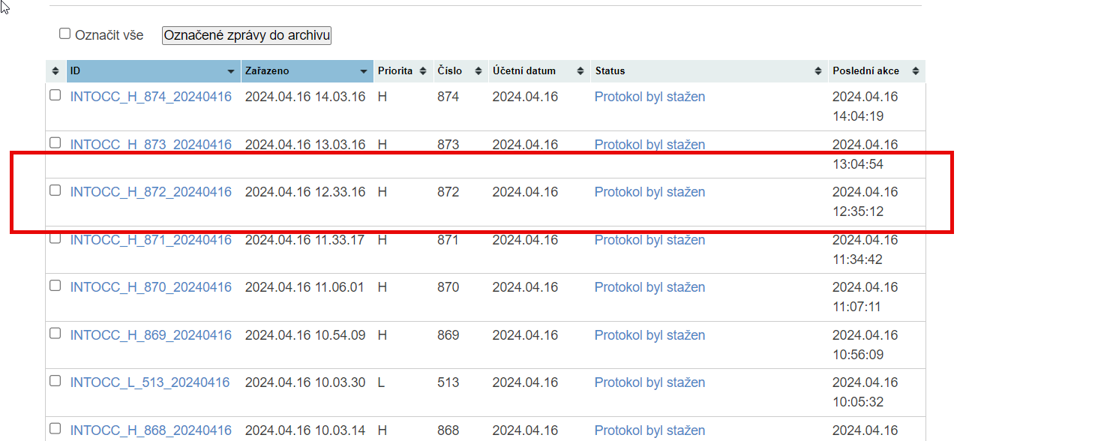
manual entry | 16 | 1
processing from edit | 198 | 11

RATES | nr of currency:
input rates from RATE LIST (20 x 3) | 60 | 0

DISPO - cashflow | input | errors
prepare data to excel table from pdf Dateien and from PTS | YES | 0

MT210 | check | errors
prepare total sume of MT210 and check advised incomming payments in PTS | YES | 0

TELEMOS | check | errors
check incoming and outgoing Clearing files in PTS and TELEMOS | YES | 2 | not checking incomming and also outgoing files

MESSAGES IN PHOENIX
NO RMA / REMINDER MT191/ MT190 to COBADEFF | 1 | 0

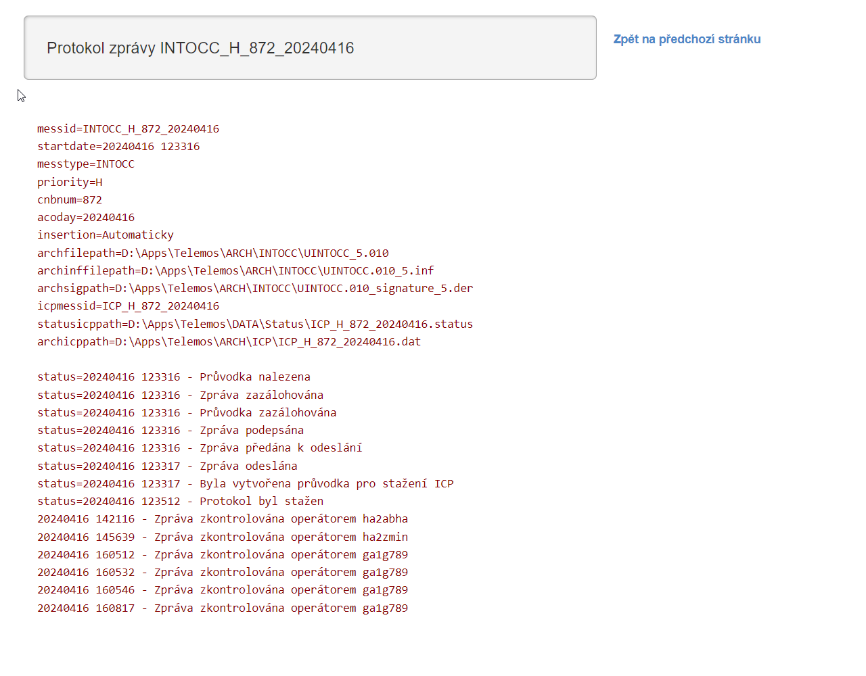
OPEN ITEMS | check | errors
checking lists of open items from S-BACKOFFICE/ CARS | YES | 0

UNPROCESSED/OR LATE PROCESSED

19.4.2024
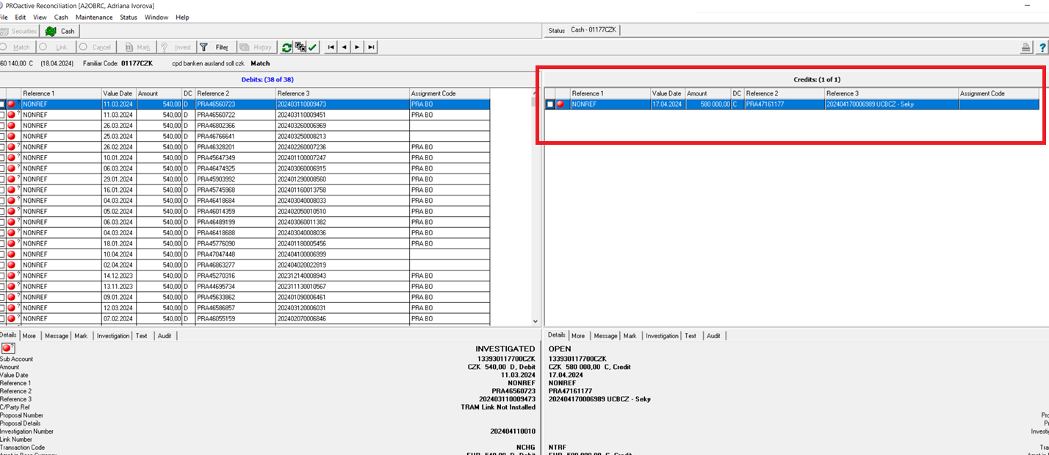
 | nr of items: | nr of ERRORs: | error description | screen errors
processing pmnts from EDIT in PTS CURR: | 98 | 4 |  | cars - no info why today not tmatching
transaction from EDIT | 88 | 2 | 2x wrong processing incoming pmnt /incorrect bnf name/
Treasury | 4
MESSAGES | 6 | 2 | 2x not processed
return payment

manual entry of pmnt orders in PTS CURR: | 10 | 1
Internal booking | 5
Transaction Input | 1 | 1 | callback not checking
input New MT202
CHARGES booking | 4

processing pmnts from EDIT (MODIFY) in PTS BULK: | 76 | 0
Modify-Transactions BBP | 47
Modify-Accounting | 21
Modify-Treasury + Treasury LF | 6
DPR | 2

manual entry of pmnt orders in PTS BULK: | 3 | 1
Input-Domestic CT-DP | 1 | 1 | wrong checking signatures
Input- Domestic CT interb.-BBP
Input-Credit Transfer-SEPA
CHARGES booking | 2

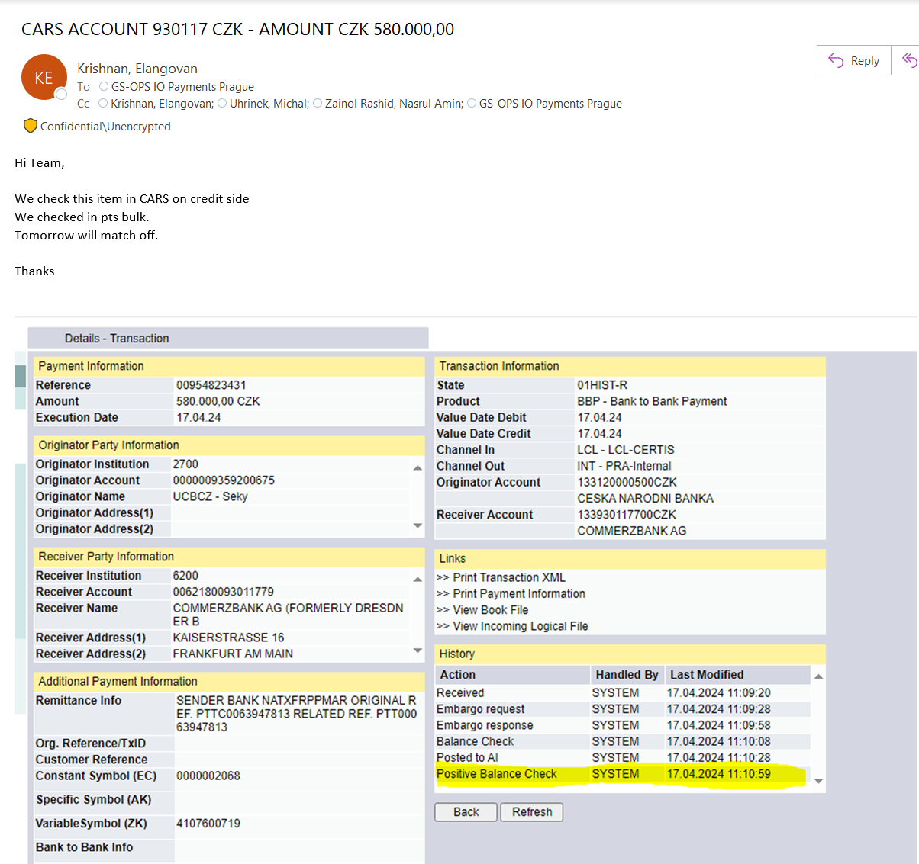
manual entry | 13 | 2
processing from edit | 174 | 4

RATES | nr of currency:
input rates from RATE LIST (20 x 3) | 60 | 0

DISPO - cashflow | input | errors
prepare data to excel table from pdf Dateien and from PTS | YES | 0

MT210 | check | errors
prepare total sume of MT210 and check advised incomming payments in PTS | YES | 1 | amount not found

TELEMOS | check | errors
check incoming and outgoing Clearing files in PTS and TELEMOS | YES | 0

MESSAGES IN PHOENIX
NO RMA / REMINDER MT191/ MT190 to COBADEFF | 1 | 0

OPEN ITEMS | check | errors
checking lists of open items from S-BACKOFFICE/ CARS | YES | 1 | one item - no info why not matching /see screens/

Odmitnuta inkasa | nr. of DDN
prepare data to excel table from PTS BULK - summary data from the whole week | 3 | 0

UNPROCESSED/OR LATE PROCESSED

 |  |  |  | messages

22.4.2024
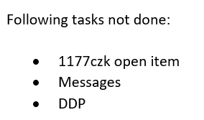
 | nr of items: | nr of ERRORs: | error description | screen errors
processing pmnts from EDIT in PTS CURR: | 109 | 12 |  | messages
transaction from EDIT | 98 | 1 | wrong processing routing CZK pmnt
Treasury | 9 | 2 | wrong processed pmnt before cover came, wrong processing /LORO EUR missing/
MESSAGES | 1 | 2 | 2x still not processed
return payment | 1 | 7 | 2x missing return chrgs, 3x incomplete text in field 70, wrong input rest text in field 72, missing attachmend /special rate/, must be processed from our side/rejected several times/

manual entry of pmnt orders in PTS CURR: | 16 | 0
Internal booking | 5
Transaction Input | 2 |  |  | accounting
input New MT202
CHARGES booking | 9

processing pmnts from EDIT (MODIFY) in PTS BULK: | 58 | 11
Modify-Transactions BBP | 39
Modify-Accounting | 15 | 2 | 2x DDP from morning not processed /must be processed from our side/
Modify-Treasury + Treasury LF | 1 | 1 | wrong processing / amount under limit/
IPA | 1 | 8 | 3x wrong field 50k, 2x wrong field 59, 2x missing field 70, wrong reason of return
DPR | 2
manual entry of pmnt orders in PTS BULK: | 2 | 1
Input-Domestic CT-DP
Input- Domestic CT interb.-BBP
Input-Credit Transfer-SEPA | 1 | 1 | missing bnf adrress
CHARGES booking | 1

manual entry | 18 | 1
processing from edit | 167 | 23

RATES | nr of currency:
input rates from RATE LIST (20 x 3) | 60 | 0

DISPO - cashflow | input | errors
prepare data to excel table from pdf Dateien and from PTS | YES | 0

MT210 | check | errors
prepare total sume of MT210 and check advised incomming payments in PTS | YES | 0

TELEMOS | check | errors
check incoming and outgoing Clearing files in PTS and TELEMOS | YES | 0

MESSAGES IN PHOENIX
NO RMA / REMINDER MT191/ MT190 to COBADEFF | 3 | 0

OPEN ITEMS | check | errors
checking lists of open items from S-BACKOFFICE/ CARS | YES | 2 | not correct info about open item, one item - still no info why not matching /see screens in 19.4.24/

UNPROCESSED/OR LATE PROCESSED

23.4.2024
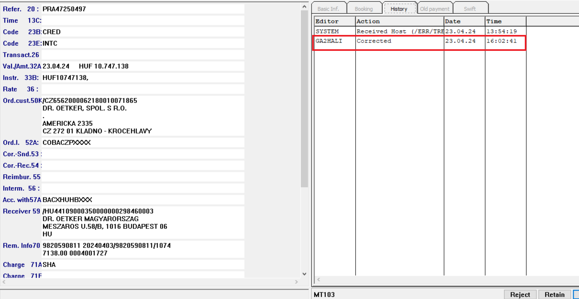
 | nr of items: | nr of ERRORs: | error description | screen errors
processing pmnts from EDIT in PTS CURR: | 107 | 16 |  | treasury
transaction from EDIT | 98 | 5 | wrong with repair chrgs, wrong debit acc. nr., wrong form in subject, 2x wrong field 59 /acc.nr. was not corrected on the firstr side/
Treasury | 6 | 2 | duplicate sending, INTC not processed in time /must be processed from our side/
MESSAGES | 1 | 2 | 2x still not processed /see screen in list 22.4.24/
return payment | 2 | 7 | wrong amount of return chrgs, wrong field 57A, missing documentation, 2x wrong ref. in field 59, 2x wrong reason of return

manual entry of pmnt orders in PTS CURR: | 9 | 1
Internal booking | 4 | 1 | wrong confirm of signatures checking
Transaction Input | 1
input New MT202 | 1
CHARGES booking | 3

processing pmnts from EDIT (MODIFY) in PTS BULK: | 45 | 0
Modify-Transactions BBP | 29
Modify-Accounting | 13
Modify-Treasury + Treasury LF | 2
DPR | 1

manual entry of pmnt orders in PTS BULK: | 1 | 0
Input-Domestic CT-DP
Input- Domestic CT interb.-BBP
Input-Credit Transfer-SEPA
CHARGES booking | 1

manual entry | 10 | 1
processing from edit | 152 | 16

RATES | nr of currency:
input rates from RATE LIST (20 x 3) | 60 | 0

DISPO - cashflow | input | errors
prepare data to excel table from pdf Dateien and from PTS | YES | 1 | late sending

MT210 | check | errors
prepare total sume of MT210 and check advised incomming payments in PTS | YES | 4 | 3x can not find incomming pmnt /which was send in two amounts/, wrong checking in history

TELEMOS | check | errors
check incoming and outgoing Clearing files in PTS and TELEMOS | YES | 0

MESSAGES IN PHOENIX
NO RMA / REMINDER MT191/ MT190 to COBADEFF | 3 | 1 | wrong ref. in field 21

OPEN ITEMS | check | errors
checking lists of open items from S-BACKOFFICE/ CARS | YES

UNPROCESSED/OR LATE PROCESSED

24.4.2024
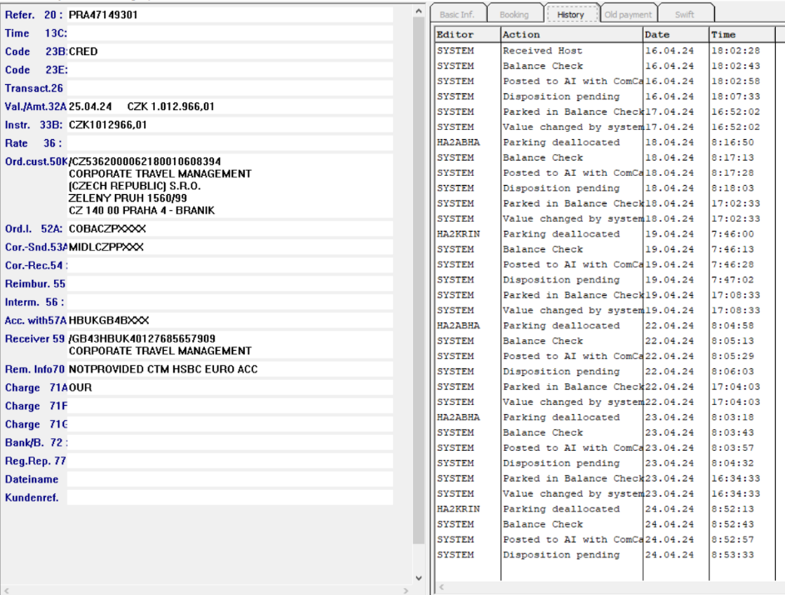
 | nr of items: | nr of ERRORs: | error description | screen errors
processing pmnts from EDIT in PTS CURR: | 93 | 7 |  | P-DISPO
transaction from EDIT | 68 | 2 | wrong with rep. Chrgs, wrong credit value
Treasury | 23 | 1 | incomplete number of transactions
MESSAGES |  | 2 | 2x still not processed /see screen in list 22.4.24/
return payment | 1 | 1 | wrong text in field 70
P-DISPO | 1 | 1 | wrong processing /today should be pmnt cancelled/

manual entry of pmnt orders in PTS CURR: | 10 | 5
Internal booking | 5
Transaction Input | 1 | 5 | wrong with charges, 2x wrong input conversion / not in fixing/, wrong rate, musst be processed from our side /rejected several times/
input New MT202
CHARGES booking | 4

processing pmnts from EDIT (MODIFY) in PTS BULK: | 52 | 2
Modify-Transactions BBP | 41 | 2 | morning late processing of BBP, late processing loan /only upon our notice/
Modify-Accounting | 10
Modify-Treasury + Treasury LF | 1
IPA |  |  |  | LOAN
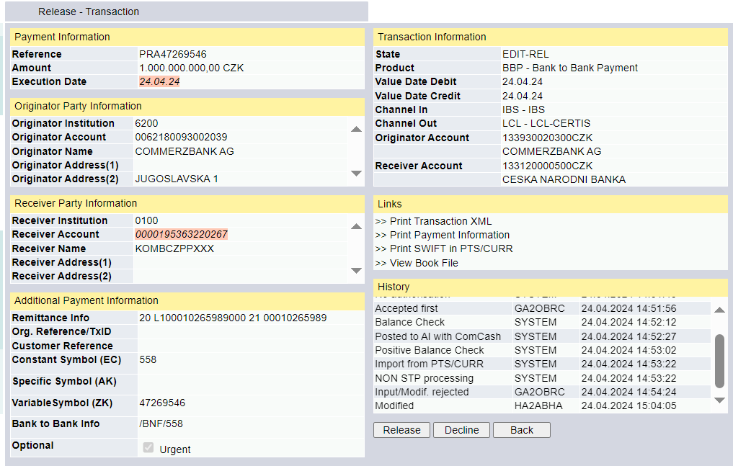
manual entry of pmnt orders in PTS BULK: | 0 | 0
Input-Domestic CT-DP
Input- Domestic CT interb.-BBP
Input-Credit Transfer-SEPA
CHARGES booking

manual entry | 10 | 5
processing from edit | 145 | 9

RATES | nr of currency:
input rates from RATE LIST (20 x 3) | 60 | 0

DISPO - cashflow | input | errors
prepare data to excel table from pdf Dateien and from PTS | YES | 1 | wrong value

MT210 | check | errors
prepare total sume of MT210 and check advised incomming payments in PTS | YES | 0

TELEMOS | check | errors
check incoming and outgoing Clearing files in PTS and TELEMOS | YES | 0

MESSAGES IN PHOENIX
NO RMA / REMINDER MT191/ MT190 to COBADEFF | 1 | 1 | wrong date in subject

OPEN ITEMS | check | errors
checking lists of open items from S-BACKOFFICE/ CARS | YES

UNPROCESSED/OR LATE PROCESSED

26.4.2024
 | nr of items: | nr of ERRORs: | error description | screen errors
processing pmnts from EDIT in PTS CURR: | 124 | 17 |  | odmitnuta inkasa
transaction from EDIT | 113 | 11 | 2x wrong processing conversion /amount 0,00/, 2x wrong processing pmnt based on MT101 /no agreement/, 3x wrong with repair chrgs, wrong field 57A /change original instruction from COBADEFF700 to COBADEFFXXX/, 2x wrong checking agreement in PTS /check in other que/, pmn waiting for cover not processed / must be processed from our side/
Treasury | 3
MESSAGES | 7
return payment | 1 | 6 | late processing /17:01/, wrong with return chrgs, wrong field 57A, wrong text in field 70, wrong processing in PTS /should be proccessed in BULK to other bank, not back to COBADEFF/, wrong subject in email

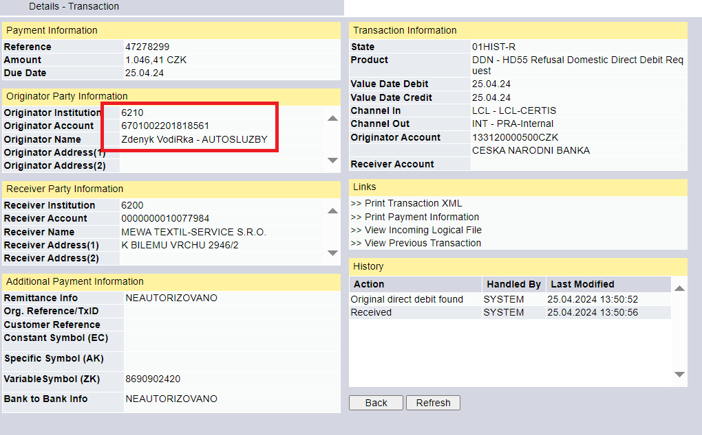
manual entry of pmnt orders in PTS CURR: | 48 | 0
Internal booking | 5
Transaction Input | 37
input New MT202
CHARGES booking | 6

processing pmnts from EDIT (MODIFY) in PTS BULK: | 57 | 3
Modify-Transactions BBP | 44 | 1 | LOAN not processed / must be processed from our side/
Modify-Accounting | 11 | 2 | 2x problem with processing DDP LIMIT EXCEEDED / instructions was send via email on 1.3.24/
Modify-Treasury + Treasury LF | 2

manual entry of pmnt orders in PTS BULK: | 4 | 3
Input-Domestic CT-DP | 1 | 3 | callback not checked, 2x without chrgs /was manual deleted/
Input- Domestic CT interb.-BBP
Input-Credit Transfer-SEPA
CHARGES booking | 3

manual entry | 52 | 3
processing from edit | 181 | 20

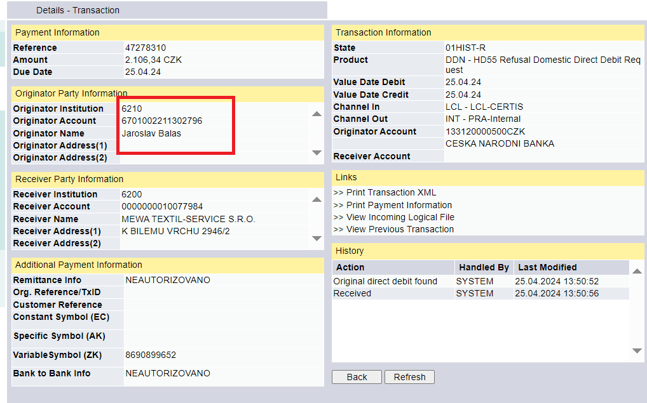
RATES | nr of currency:
input rates from RATE LIST (20 x 3) | 60 | 0

DISPO - cashflow | input | errors
prepare data to excel table from pdf Dateien and from PTS | YES | 0

MT210 | check | errors
prepare total sume of MT210 and check advised incomming payments in PTS | YES | 0

TELEMOS | check | errors
check incoming and outgoing Clearing files in PTS and TELEMOS | YES | 0

MESSAGES IN PHOENIX
NO RMA / REMINDER MT191/ MT190 to COBADEFF | 11 | 3 | 3x late

OPEN ITEMS | check | errors
checking lists of open items from S-BACKOFFICE/ CARS | YES | 0

Odmitnuta inkasa | nr. of DDN
prepare data to excel table from PTS BULK - summary data from the whole week | 11 | 2 | 2x wrong account nr.

UNPROCESSED/OR LATE PROCESSED

29.4.2024
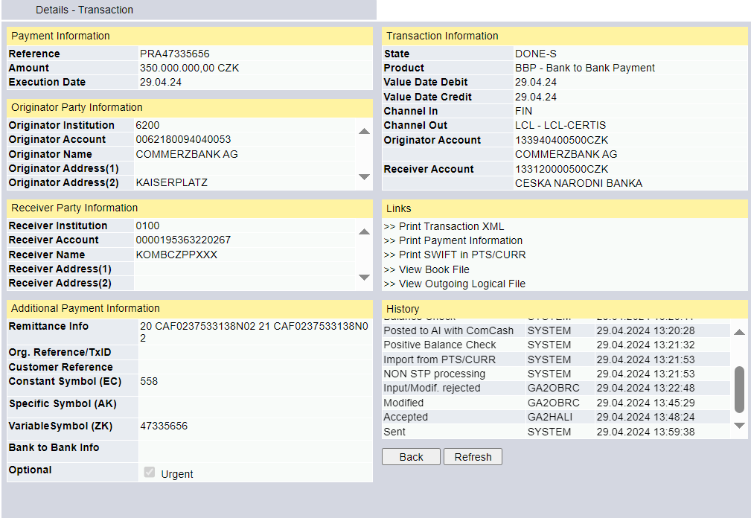
 | nr of items: | nr of ERRORs: | error description | screen errors
processing pmnts from EDIT in PTS CURR: | 151 | 4 |  | ACCOUNTING
transaction from EDIT | 141 |  |  | DDP back in que /should be processed next month/
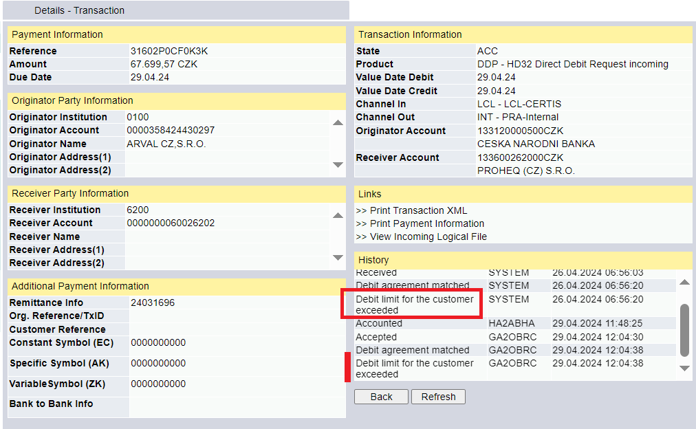
Treasury | 7
MESSAGES | 1
return payment | 2 | 4 | wrong input CZK in CURR, wrong text in field 70, wrong subject, one return pmnt from 9:42 not processed

manual entry of pmnt orders in PTS CURR: | 14 | 1
Internal booking | 5 | 1 | to release was send other email from Friday with other pmnt orders
Transaction Input
input New MT202 | 1
CHARGES booking | 8

processing pmnts from EDIT (MODIFY) in PTS BULK: | 65 | 2
Modify-Transactions BBP | 46 | 1 | late processing / must be processed from our side/
Modify-Accounting | 17 | 1 | wrong processing pmnt in acc. / DD monthly not daily/
Modify-Treasury + Treasury LF | 1
DPR | 1

manual entry of pmnt orders in PTS BULK: | 0 | 0
Input-Domestic CT-DP
Input- Domestic CT interb.-BBP
Input-Credit Transfer-SEPA
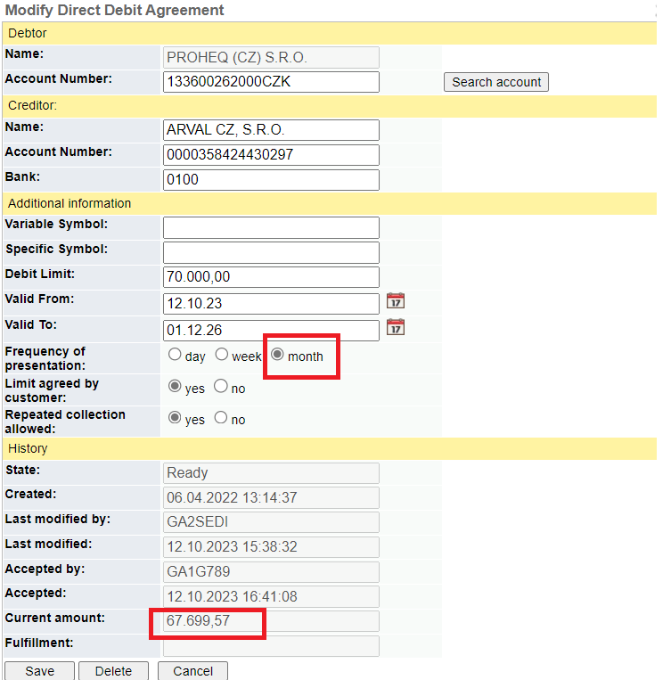
CHARGES booking

manual entry | 14 | 1
processing from edit | 216 | 6

RATES | nr of currency:
input rates from RATE LIST (20 x 3) | 60 | 0

DISPO - cashflow | input | errors
prepare data to excel table from pdf Dateien and from PTS | YES

MT210 | check | errors
prepare total sume of MT210 and check advised incomming payments in PTS | YES | 0

TELEMOS | check | errors
check incoming and outgoing Clearing files in PTS and TELEMOS | YES | 0

MESSAGES IN PHOENIX
NO RMA / REMINDER MT191/ MT190 to COBADEFF | 5 | 1 | wrong date in subject

OPEN ITEMS | check | errors
checking lists of open items from S-BACKOFFICE/ CARS | YES | 0

UNPROCESSED/OR LATE PROCESSED
 |  |  |  | 1x DD in april was already paid
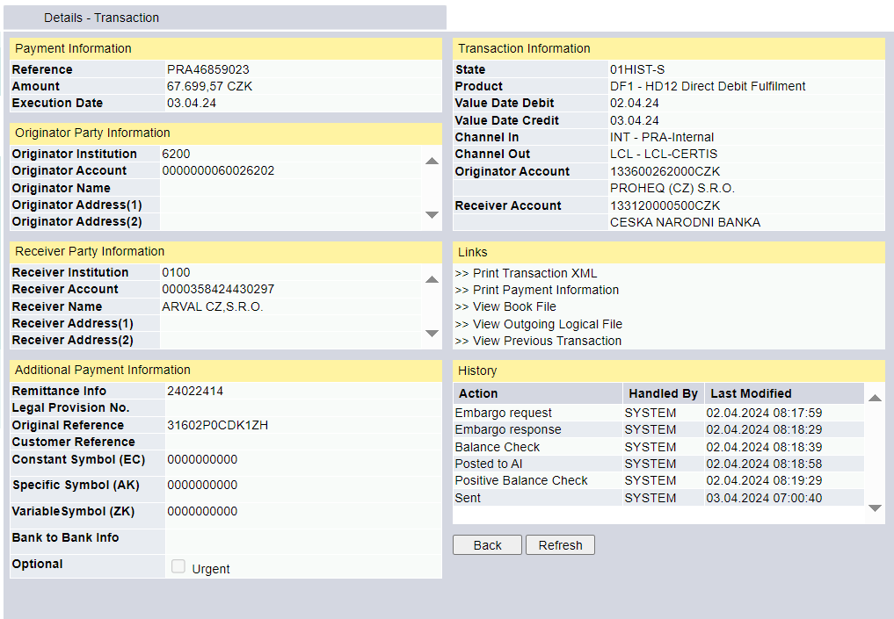

 |  |  |  | BBP / must be processed from our side/

30.4.2024
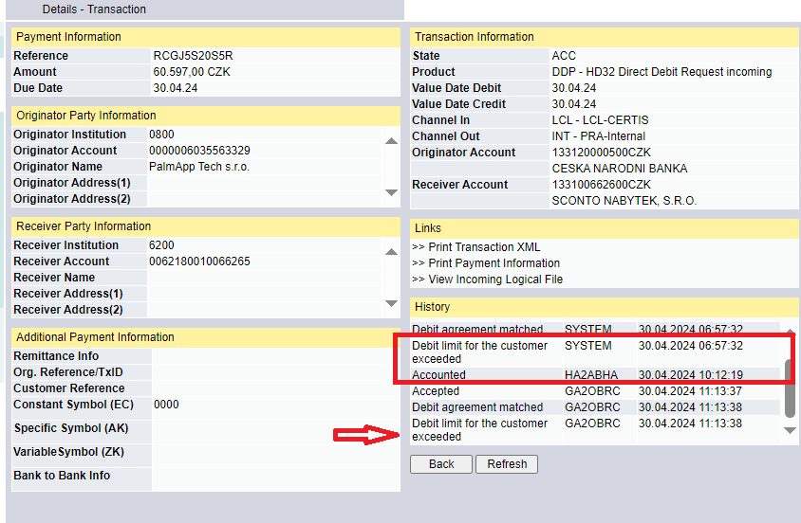
 | nr of items: | nr of ERRORs: | error description | screen errors
processing pmnts from EDIT in PTS CURR: | 100 | 9 |  | accounting
transaction from EDIT | 90 | 3 | wrong processing conversion /send to fixing with difer. Value/, wrong subject in cancellation email, wrong credit value
Treasury | 6
MESSAGES | 1
return payment | 3 | 6 | 3x wrong text in field 70, 3x wrong reason of return pmnt

manual entry of pmnt orders in PTS CURR: | 20 | 1
Internal booking | 4
Transaction Input
input New MT202
CHARGES booking | 16 | 1 | wrong amount in subject

processing pmnts from EDIT (MODIFY) in PTS BULK: | 71 | 10
Modify-Transactions BBP | 50 | 2 | 2x wrong bnf acc. nr.
Modify-Accounting | 13 | 5 | wrong processing DDP /limit decc. - should be processed next day/, wrong proccessing return DP /customer is still active and have EUR acc./, wrong manual input in BULK as ,,neautorizovano", wrong input in CURR - field 50K, several times rejected - must be processed from our side
Modify-Treasury + Treasury LF | 7
DCA | 1 | 3 | wrong drafted with screen from PTS /this info can not be send to customer/, differ. Font in text, not correct information

manual entry of pmnt orders in PTS BULK: | 2 | 0
Input-Domestic CT-DP | 1
Input- Domestic CT interb.-BBP
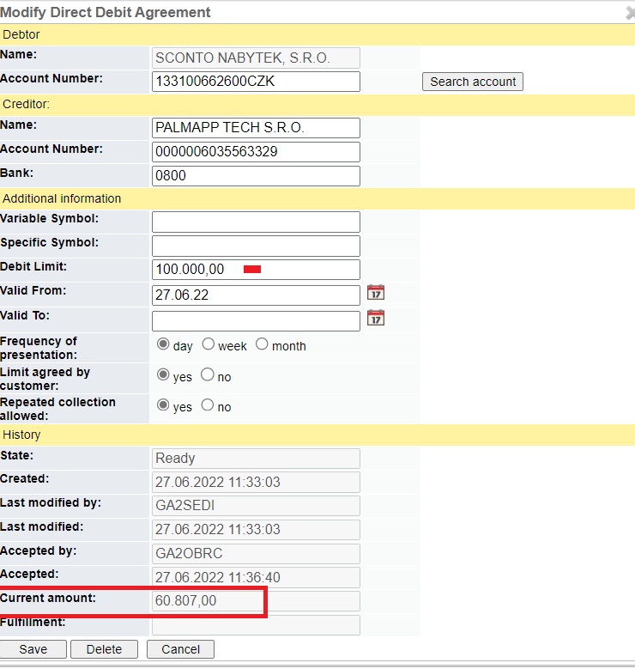
Input-Credit Transfer-SEPA
CHARGES booking | 1

manual entry | 22 | 1
processing from edit | 171 | 19

RATES | nr of currency:
input rates from RATE LIST (20 x 3) | 60 | 0

DISPO - cashflow | input | errors
prepare data to excel table from pdf Dateien and from PTS | YES | 0

MT210 | check | errors
prepare total sume of MT210 and check advised incomming payments in PTS | YES | 0

TELEMOS | check | errors
check incoming and outgoing Clearing files in PTS and TELEMOS | YES

MESSAGES IN PHOENIX
NO RMA / REMINDER MT191/ MT190 to COBADEFF | 2 | 0

OPEN ITEMS | check | errors
checking lists of open items from S-BACKOFFICE/ CARS | YES | 1 | problem with find open items in system

UNPROCESSED/OR LATE PROCESSED

